records
Sample Measurement Record
Mano Engineering LLC |  |  |  |  |  |  |  |  | Part No. 10012
No. | A | B | C | D | E | F | G | H
1 | 2.476 | 0.1275 | 0.265 | 4.968 | 0.058 | 0.925 | 70 - 74 | 2.49
2 | 2.4905 | 0.1285 | 0.2645 | 4.995 | 0.06 | 0.9255 | 70 - 74 | 2.484
3 | 2.4905 | 0.1285 | 0.262 | 4.988 | 0.06 | 0.977 | 70 - 74 | 2.48
4 | 2.4945 | 0.1255 | 0.266 | 4.9655 | 0.062 | 1.0185 | 70 - 74 | 2.503
5 | 2.4795 | 0.129 | 0.2655 | 4.979 | 0.0605 | 0.993 | 72 - 74 | 2.49

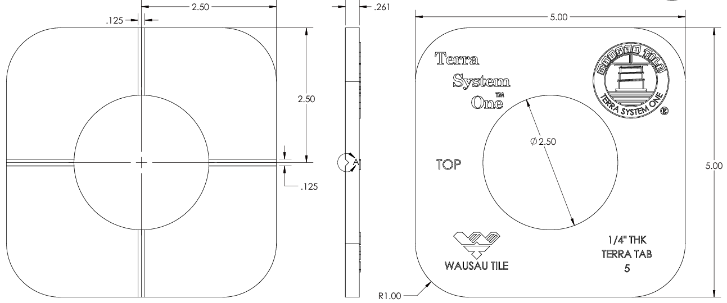
B
A
C
D

H

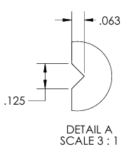
E

F

G

